Architypes
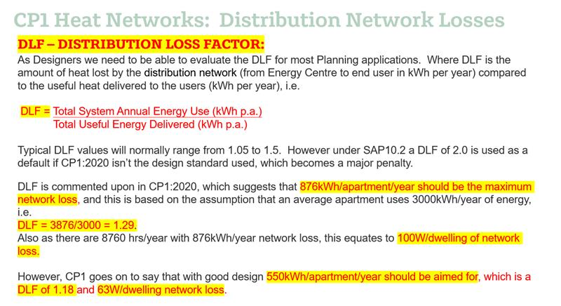
THERMAL PERFORMANCE | Be Lean | Be Green |  | THERMAL BRIDGING
Wall | 0.18 | 0.18 |  | Ref | Junction detail applicable to the whole junction | 2021 Notional Ψ (W/m.K)
Window U-value | 1.2 | 1.2 | E1 - Steel lintel with perforated steel base plate | E1 | Steel lintel with perforated steel base plate | 0.05
Window g-value | 0.45 | 0.45 | E2 - Other lintels (including other steel lintels) | E2 | Other lintels (including other steel lintels) | 0.05
Window frame factor | 0.8 | 0.8 | E3 - Sill | E3 | Sill | 0.05
Roof | 0.11 | 0.11 | E4 - Jamb | E4 | Jamb | 0.05
Ground-contact floor | 0.13 | 0.13 | E5 - Ground floor (normal) | E5 | Ground floor (normal) | 0.16
Exposed floor | 0.15 | 0.15 | E19 - Ground floor (inverted) | E19 | Ground floor (inverted) | 0.07
Sheltered wall | 0.2 | 0.2 | E20 - Exposed floor (normal) | E20 | Exposed floor (normal) | 0.32
Shelter factor | 0.6 | 0.6 | E21 - Exposed floor (inverted) | E21 | Exposed floor (inverted) | 0.32
Door | 1 | 1 | E22 - Basement floor | E22 | Basement floor | 0.07
 |  |  | E6 - Intermediate floor within a dwelling | E6 | Intermediate floor within a dwelling | 0
VENTILATION |  |  | E7 - Party floor between dwellings (in blocks of flats) | E7 | Party floor between dwellings (in blocks of flats) | 0.07
Mech vent present | yes | yes | E8 - Balcony within a dwelling, wall insulation continuous | E8 | Balcony within a dwelling, wall insulation continuous | 0
ventilation data type | DataSheet | DataSheet | E9 - Balcony between dwellings, wall insulation continuous | E9 | Balcony between dwellings, wall insulation continuous | 0.02
Type | balanced with heat recovery | balanced with heat recovery | E23 - Balcony within or between dwellings, balcony support penetrates wall insulation | E23 | Balcony within or between dwellings, balcony support penetrates wall insulation | 0.02
MVHR SFP | 0.65 | 0.65 | E10 - Eaves (insulation at ceiling level) | E10 | Eaves (insulation at ceiling level) | 0.06
MVHR HR | 85 | 85 | E24 - Eaves (insulation at ceiling level - inverted) | E24 | Eaves (insulation at ceiling level - inverted) | 0.24
wet rooms | 1 | 1 | E11 - Eaves (insulation at rafter level) | E11 | Eaves (insulation at rafter level) | 0.04
system location | inside | inside | E12 - Gable (insulation at ceiling level) | E12 | Gable (insulation at ceiling level) | 0.06
duct installation specs | 1 | 1 | E13 - Gable (insulation at rafter level) | E13 | Gable (insulation at rafter level) | 0.08
duct type | rigid | rigid | E14 - Flat roof | E14 | Flat roof | 0.08
brand model | Lindab | Lindab | E15 - Flat roof with parapet | E15 | Flat roof with parapet | 0.56
Air permeability @50Pa | 3 | 3 | E16 - Corner (normal) | E16 | Corner (normal) | 0.09
 |  |  | E17 - Corner (inverted – internal area greater than external area) | E17 | Corner (inverted – internal area greater than external area) | -0.09
LIGHTING |  |  | E18 - Party wall between dwellings | E18 | Party wall between dwellings | 0.06
Lighting power | project specific | project specific | E25 - Staggered party wall between dwellings | E25 | Staggered party wall between dwellings | 0.06
Lighting efficacy | 90 | 90 | P1 - Ground floor | P1 | Ground floor | 0.08
Lighting count | project specific | project specific | P6 - Ground floor (inverted) | P6 | Ground floor (inverted) | 0.07
distribution type space | calculated | calculated | P2 - Intermediate floor within a dwelling | P2 | Intermediate floor within a dwelling | 0
Heating network | Space and water combined | Space and water combined | P3 - Intermediate floor between dwellings (in blocks of flats) | P3 | Intermediate floor between dwellings (in blocks of flats) | 0
distribution loss | 1 | 1.29 | P7 - Exposed floor (normal) | P7 | Exposed floor (normal) | 0.16
heating controls | 2306 | 2306 | P8 - Exposed floor (inverted) | P8 | Exposed floor (inverted) | 0.24
Heating source 1 - source | boiler | heat pump | P4 - Roof (insulation at ceiling level) | P4 | Roof (insulation at ceiling level) | 0.12
fuel type | mains gas | electricity | P5 - Roof (insulation at rafter level) | P5 | Roof (insulation at rafter level) | 0.08
percentage of heat | 100 | 100 | R1 - Head of roof window | R1 | Head of roof window | 0.08
overall efficiency | 92 | 300 | R2 - Sill of roof window | R2 | Sill of roof window | 0.06
 |  |  | R3 - Jamb of roof window | R3 | Jamb of roof window | 0.08
HEAT NETWORKS |  |  | R4 - Ridge (vaulted ceiling) | R4 | Ridge (vaulted ceiling) | 0.08
water heating | heat networks | heat networks | R5 - Ridge (inverted) | R5 | Ridge (inverted) | 0.04
cold water source | from mains | from mains | R6 - Flat ceiling | R6 | Flat ceiling | 0.06
bath count | project specific | project specific | R7 - Flat ceiling (inverted) | R7 | Flat ceiling (inverted) | 0.04
shower count | project specific | project specific | R8 - Roof to wall (rafter) | R8 | Roof to wall (rafter) | 0.06
storage type | HIU | HIU | R9 - Roof to wall (flat ceiling) | R9 | Roof to wall (flat ceiling) | 0.04
 |  |  | R10 - All other roof or room-in-roof junctions | R10 | All other roof or room-in-roof junctions | 0.08
RENEWABLES |  |  | R11 - Upstands or kerbs of rooflights** | R11 | Upstands or kerbs of rooflights** | 0.08
PV type | none | Multiple dwellings - connected
export meter | n/a | yes
connected to meter | n/a | no
diverter | n/a | no
battery capacity | n/a | 0
PV cells kW peak | n/a | project specific
Orientation | n/a | project specific
Elevation | n/a | project specific
MCS Certificate | n/a | project specific
Overshading | n/a | dropdown

